Site Plan
SITE 1 |  |  |  |  | C0812 BRISTOL VARIOUS (PART 1) | SITE PLAN |  |  |  |  | C0812 BRISTOL VARIOUS (PART 1)
 |  |  |  |  | THURSDAY 15TH JANUARY 2015 |  |  |  |  |  | THURSDAY 15TH JANUARY 2015
 |  |  |  |  | SITE PLAN |  |  |  |  |  | SITE PLAN

 | Project | C0812 Bristol Various (Part 1) | Date | 0700-1900 |  |  | Project | C0812 Bristol Various (Part 1) | Date | 0700-1900
 | Site Plan | (B4053) Baldwin Street Cycle Path | Location | 51.45345°N 2.59394°W |  |  | Site Plan | (B4053) Baldwin Street Cycle Path | Location | 51.45345°N 2.59394°W

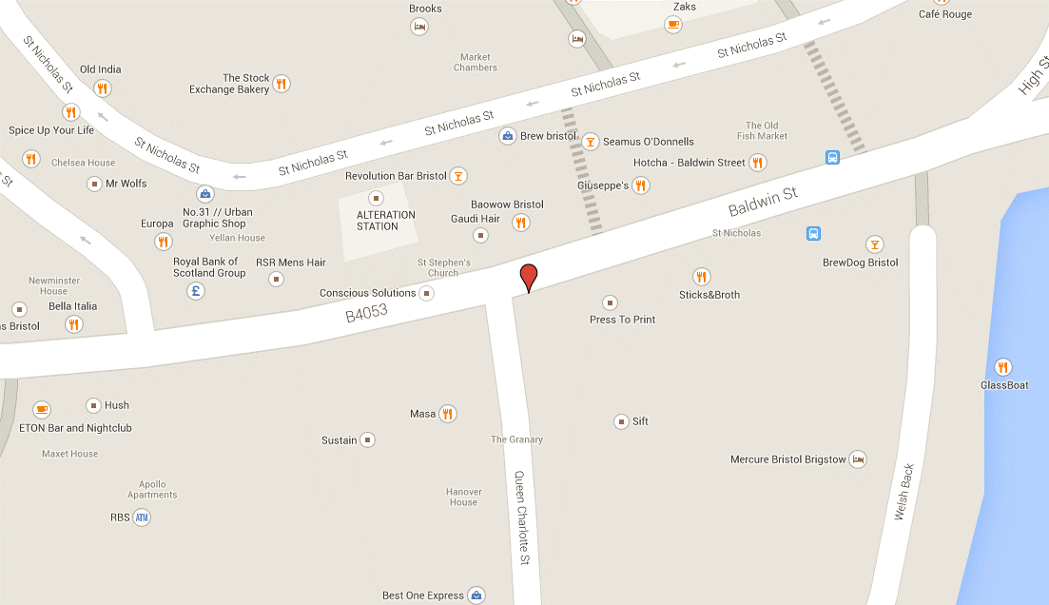
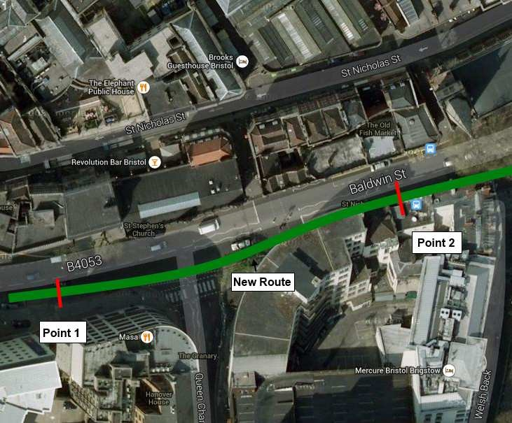
SITE 1

Point 2

Point 1

